Expense - 2018
PERSONAL MONTHLY EXPENDITURE TABLE

Month | Housing | Bills & Utilities | Food & Dining | Personal | Auto & Transport | Health & Fitness | Monthly Total
Jan | £800.00 | £210.00 | £400.00 | £100.00 | £100.00 | £60.00 | £1,670.00
Feb | £800.00 | £180.00 | £350.00 | £100.00 | £125.00 | £70.00 | £1,625.00
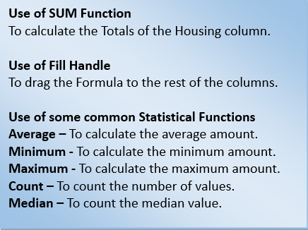
Mar | £800.00 | £170.00 | £420.00 | £100.00 | £120.00 | £60.00 | £1,670.00
Apr | £800.00 | £160.00 | £400.00 | £120.00 | £100.00 | £60.00 | £1,640.00
May | £800.00 | £150.00 | £420.00 | £100.00 | £100.00 | £80.00 | £1,650.00
Jun | £800.00 | £150.00 | £380.00 | £100.00 | £130.00 | £60.00 | £1,620.00
Jul | £800.00 | £150.00 | £420.00 | £120.00 | £100.00 | £60.00 | £1,650.00
Aug | £800.00 | £150.00 | £420.00 | £100.00 | £100.00 | £80.00 | £1,650.00
Sep | £800.00 | £150.00 | £400.00 | £120.00 | £110.00 | £60.00 | £1,640.00
Oct | £800.00 | £170.00 | £420.00 | £100.00 | £100.00 | £60.00 | £1,650.00
Nov | £800.00 | £200.00 | £390.00 | £120.00 | £100.00 | £50.00 | £1,660.00
Dec | £800.00 | £220.00 | £400.00 | £100.00 | £115.00 | £60.00 | £1,695.00
Totals | £9,600.00 | £2,060.00 | £4,820.00 | £1,280.00 | £1,300.00 | £760.00 | £19,820.00
Avg | £800.00 | £171.67 | £401.67 | £106.67 | £108.33 | £63.33 | £1,651.67
Min | £800.00 | £150.00 | £350.00 | £100.00 | £100.00 | £50.00 | £1,550.00
Max | £800.00 | £220.00 | £420.00 | £120.00 | £130.00 | £80.00 | £1,770.00
Count | £12.00 | £12.00 | £12.00 | £12.00 | £12.00 | £12.00 | £72.00
Median | £800.00 | £165.00 | £400.00 | £100.00 | £100.00 | £60.00 | £1,625.00

